Currency Convertor
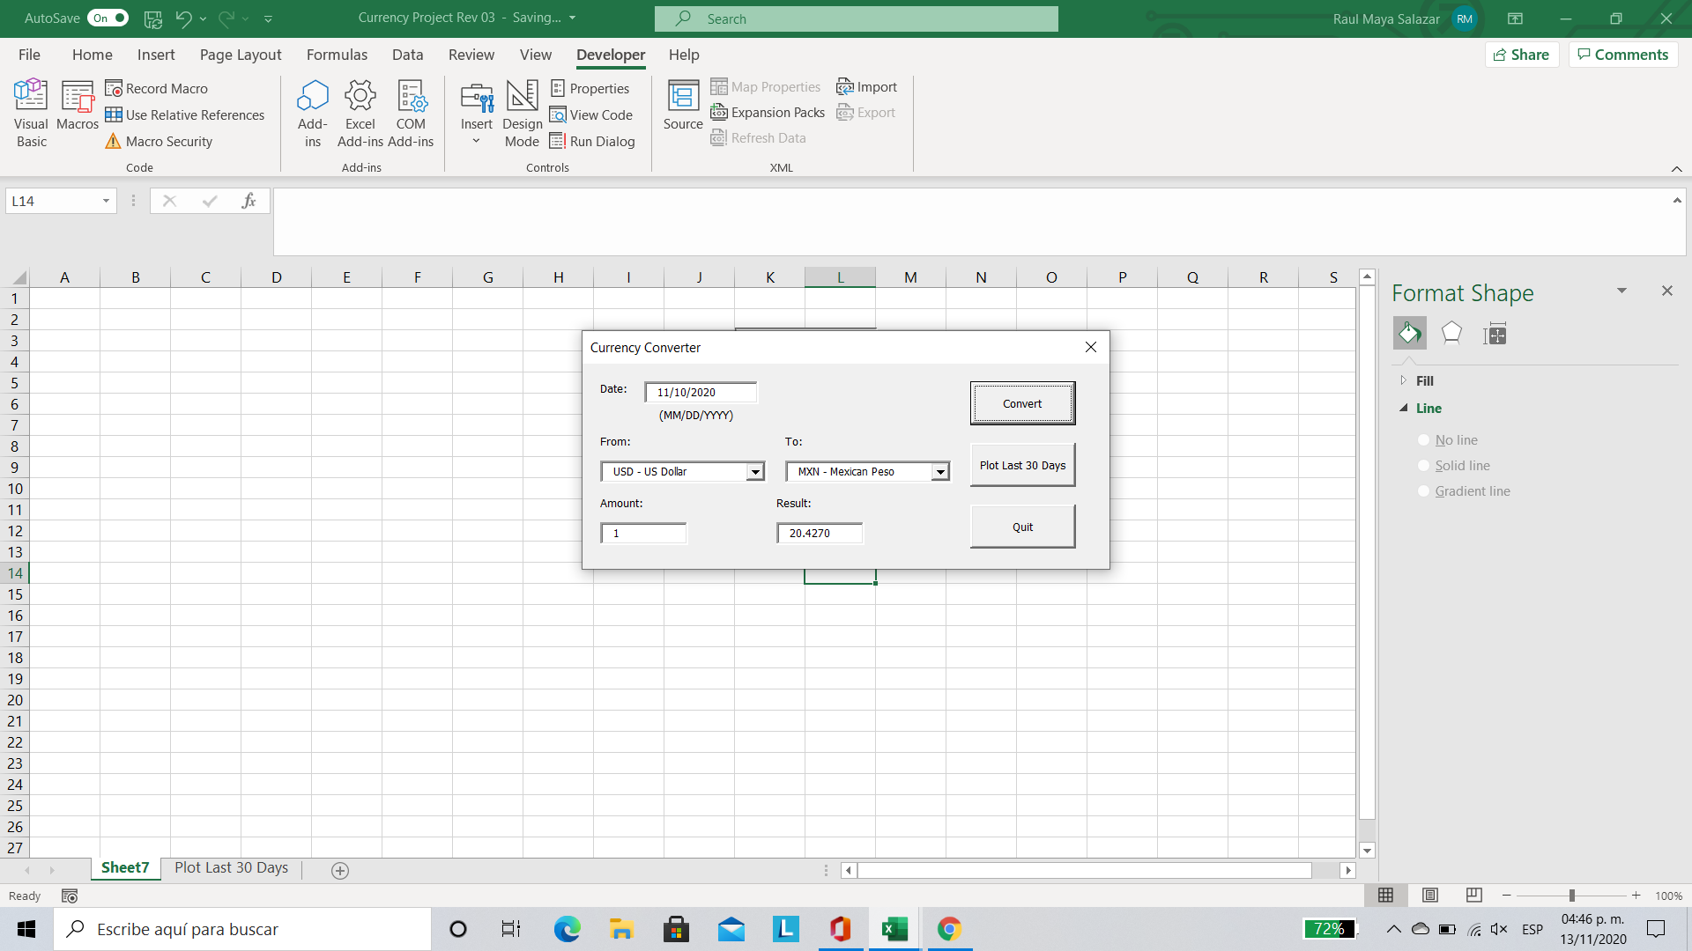

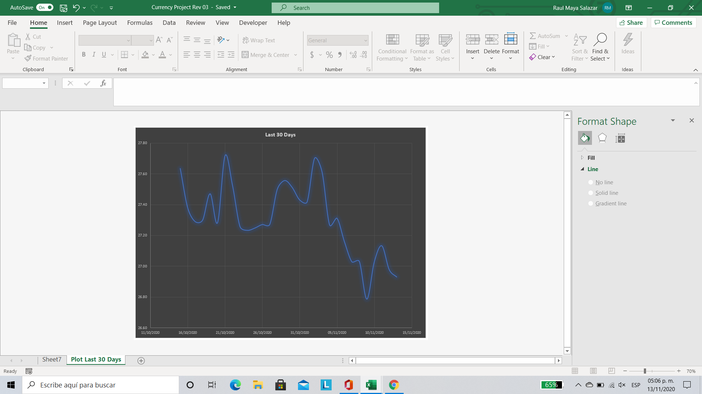
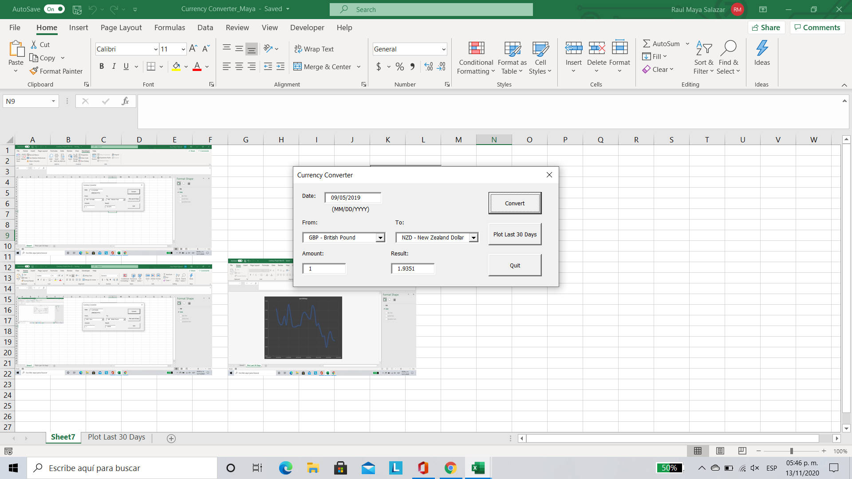
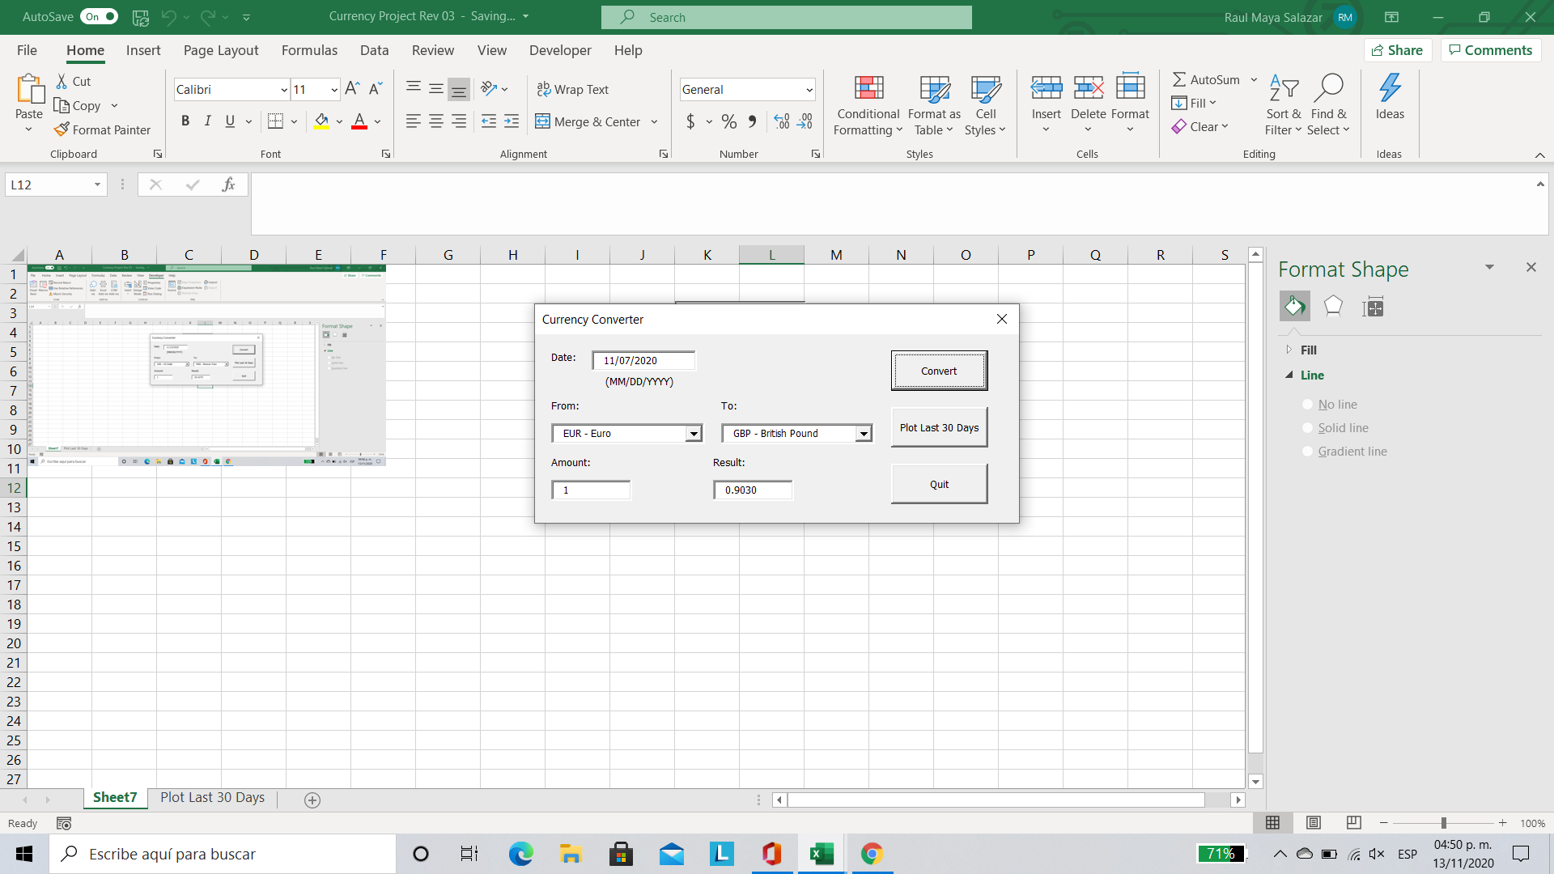

Plot Last 30 Days
 | Last 30 Days
2/11/2021 | 19.96
2/10/2021 | 20.05
2/9/2021 | 20.09
2/8/2021 | 20.11
2/7/2021 | 20.09
2/6/2021 | 20.10
2/5/2021 | 20.14
2/4/2021 | 20.45
2/3/2021 | 20.21
2/2/2021 | 20.16
2/1/2021 | 20.34
1/31/2021 | 20.60
1/30/2021 | 20.59
1/29/2021 | 20.25
1/28/2021 | 20.24
1/27/2021 | 20.21
1/26/2021 | 20.08
1/25/2021 | 20.14
1/24/2021 | 19.98
1/23/2021 | 19.97
1/22/2021 | 19.93
1/21/2021 | 19.73
1/20/2021 | 19.56
1/19/2021 | 19.66
1/18/2021 | 19.75
1/17/2021 | 19.79
1/16/2021 | 19.79
1/15/2021 | 19.76
1/14/2021 | 19.73
1/13/2021 | 19.79

